Sheet1
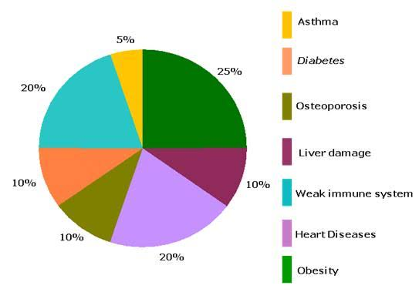
HARMFUL EFFECTS OF JUNK FOOD

